TestSummary
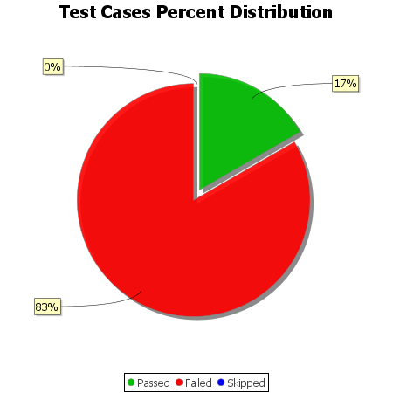
Total Test Cases | 18
Test Cases Passed | 3
Test Cases Failed | 15
Test Cases Skipped | 0

